Table 1
pH-Metric log P. 4. Comparison of Partition Coefficients Determined by
HPLC and Potentiometric Methods to Literature Values
BRYAN SLATER·, ANN McCORMACK'*, ALEX AVDEEF§x, AND JOHN E. A. COMER§
Received September 20, 1993, from the *Rhone-Poulenc Rorer, Dagenham Research Centre, Rainham Road South, Dagenham, Essex RM10 7XS, U.K., and §Sirius Analytical Instruments Ltd., Manor House, Lewes Road, Forest Row, East Sussex, RH18 SAF, U.K. Accepted for publication April 20, 1994®. *Present address: Department of Pharmacology, University of Leeds, Leeds, U.K.
Abstract D The pKa and log P of 20 compounds, including six substituted phenols, two substituted quinolines, N-methylaniline, five barbiturate derivatives, two phenothiazines, and several other molecules of phar­ maceutical interest, were determined by the potentiometric technique at
25 °c and ionic strength 0.1 M (KN03). The log P values were
determined also by partition HPLC. Three of the substances were of very low aqueous solubility, and for these the aqueous pKas were determined by extrapolation from methanol-water solutions using the Yasuda-Shedlovsky technique. Values of log P obtained both by potentiometry and by partition HPLC, which ranged from 0.3 to 5.4, were in very good acordance with literature values. The general applicability of the potentiometric technique to ionizable compounds of diversely varied structures was demonstrated by the study.

acebutolol (hydrochloride salt), and sulfamethazine were all materials from the Rh6ne-Poulenc Rorer research reference collection and were typical production material of pharmaceutical grade. All of the above compounds showed a single peak by partition chromatography.
Apparatus-The computerized titration instrument3 we used to
perform the pK. and log P assays was equipped with a custom­ designed pH sensing circuit (1015 Q impedance) and a semimicro Ross­ type double-junction combination pH electrode (Orion 8103SC). A six-way and a two-way valve (inert inner materials) were automati­ cally driven to select any of six reagents (water, 0.5 M HCl, 0.5 M KOH, methanol, water-saturated octanol, and a surfactant solution to clean out the tubing after octanol dispensings). The water and methanol contained 0.1 M KNOs as an ionic strength adjuster. (Chlorpromazine was studied also in a medium with no added ionic strength adjuster.) Reagents were dispensed with a 5-mL stepper­ motor-driven precision syringe, capable of a 0.00042-mL minimum­
volume delivery. A circulating bath maintained the temperature of
the sample solution at 25.0 ± 0.1 °C.
The log of the octanol-water partition coefficient, log Polw (or simply log P), of a substance is a key parameter in quantitative structure-activity relationships (QSAR),1 used in the pharmaceutical industry (drug design and regulatory compliance), in the new-chemical manufacturing industry (environmental impact compliance), and in the environmental field (environmental fate of toxic substances).
We have been active in further developing the Dyrssen2 dual-phase potentiometric titration technique for determining log P.-3 6 In part 1 of our series of papers, a method for estimating log P from "difference" plots was described;4 in part 2, refinement of log P values by general nonlinear least squares was substantiated; 5 in part 3, a method for working with water-insoluble substances, using a methanol-water mixed-solvent approach, was elaborated.6 The present paper is a validation study, where 20 compounds of considerably varied structures were selected for characterization by the pH­ metric technique. Also included in the comparison were seven additional compounds (benzoic acid, alkoxyphenols, and pro­ pranolol) whose log P values were potentiometrically deter­ mined elsewhere,.3, 5 6 The log P values were also measured in this study by partition HPLC. The log P values of the selected compounds are known from shake-flask measure­ ments.

Experimental Section
Reagents-The preparation and standardization of HCI (Fisons) and KOH (Volucon, Rh6ne Poulenc) are described elsewhere.3-5 Water-saturated partition-coefficient-grade octan-1-ol (Fisons) was used. Methanol (Fisons, analytical reagent, <0.05% water) was used without further purification. Phenol, 4-chlorophenol, 3-chlorophenol, 3,4-dichlorophenol, 4-iodophenol, quinoline, 3-bromoquinoline, and N-methylaniline were all obtained from Aldrich at a specified purity of >98%. 3,5-Dichlorophenol was obtained from the same source at a specified purity of >97%. Phenobarbitone (sodium salt), quinal­ barbitone, amylbarbitone, pentobarbitone, chlorpromazine (hydro­ chloride salt), pericyazine, ketoprofen, celiprolol (hydrochloride salt),
® Abstract published in Advance ACS Abstracts, June 1, 1994.
Titrations in the presence of octanol generally took longer to complete (20-60 min, depending on the sample and the requested pH range), than those in its absence (10-30 min). This was especially so when the octanol-water volume ratio exceeded 0.2. The instru­ ment was programmed to accept a pH measurement as "stable" when the magnitude of the change in pH after a titrant addition was less than 0.01 min- 1 (based on repetitive sequence of15 pH readings taken over a 15-s interval). Titrant additions coincided with vigorous stirring (overhead stirrer) of the assay solution. After titrant addition the solution was stirred for an additional 15-30 s in the presence of octanol, before the pH reading sequence commenced. The actual pH readings were taken with stirring turned off. Such a scheme appeared to allow adequate time for sample equilibration to take place between the octanol-water phases.
Although the octanol was water-saturated, the water in the reagent bottle was not octanol-saturated. During calculations, a solubility of 0.0017 M for octanol in water 7 was used to correct the octanol­ water volume ratio. Such corrections are only important for very small octanol volumes ( <0.1 mL) relative to water volumes (5-20 rnL).
Electrode Standardization-To establish the operational pH scale, the measuring circuit was first calibrated with a single aqueous pH 7 phosphate buffer and the Nernst slope was assumed. The opera­ tional scale was converted to the concentration scale pcH (=-log [H+]) using a four-parameter equation:4,6
where Kw is the ionization constant of water. The parameters were empirically determined by a weighted nonlinear least squares pro­ cedure using data from the titration of a standard substance, ethylenediamine dihydrochloride,4 or HC16 (in the case of mixed solvent pK. determinations). Typical aqueous values of the adjustable parameters at 25 °C and 0.1 M ionic strength are a.= 0.08 ± 0.01, S
= 1.001 ± 0.001,jH = 1.0 ± 0.2, andjoH = - 0.6 ± 0.2.
pK. Determination-For substances which are sparingly soluble in water it was necessary to work with < 7 x 10- 4 M solutions. Solutions with the water-soluble compounds were otherwise 0.002-

0.025 M. The three water-insoluble substances, chlorpromazine, pericyazine and sulfamethazine, could only be dissolved in solutions with >34, >13, and >6 wt% methanol, respectively; sample concen­ trations were <5 x 10- 4 M. The mixed solvent procedure is described elsewhere. 6 In most cases, standardized HCl was added to lower the pH to 2.5, and the solutions were titrated with KOH to about pH
1280 / Journal of Pharmaceutical Sciences Vol. 83, No. 9, September 1994
0022-3549/94/1200-1280$04.50/0 © 1994, American Chemical Society and American Pharmaceutical Association
Table 1-pK,, and log P Constants
 |  |  | logP |  |  |  | pKa
compound |  | pH-metric | lit." | HPLC | pH-metric
Phenol |  | 1.48±0.01 | 1.46 | 1.46 | 10.01 ± 0.01 |  |  |  | 9.99C
4-Chlorophenol |  | 2.45±0.01 | 2.39 | 2.41 | 9.46±0.01 |  |  |  | 9.42d
3-Chlorophenol |  | 2.57±0.01 | 2.50 | 2.50• | 9.11 ±0.01 |  |  |  | 9.08d
3,4-Dichlorophenol |  | 3.39±0.02 | 3.33 | 3.27 | 8.65±0.01 |  |  |  | 8.631
3,5-Dichlorophenol |  | 3.63±0.02 | 3.62 | 3.62" | 8.22±0.01 |  |  |  | 8.181
4-lodophenol |  | 2.90±0.02 | 2.91 | 2.92' | 9.45±0.05 |  |  |  | 9.20c
Quinoline |  | 2.15±0.08 | 2.03 | 2.10 | 4.97±0.06 |  |  |  | 4.9()11
3-Bromoquinoline |  | 2.91 ±0.04 | 3.03h | 3.04 | 2.74±0.03 |  |  |  | 2.699
N-Methylaniline |  | 1.65±0.01 | 1.66 | 1.62 | 4.86±0.01 |  |  |  | 4.859
Phenobarbitone |  | 1.53±0.03 | 1.47 | 1.39 | 7.49±0.02 |  |  |  | 7.45d
Butobarbitone |  | 1.58±0.07 | 1.65 | 1.64 | 8.00±0.04 |  |  |  | 7.79d
Amylobarbitone |  | 2.01±0.03 | 2.07 | 2.10 | 8.07±0.02 |  |  |  | 7.96h
Pentobarbitone |  | 2.08±0.06 | 2.07 | 2.10 | 8.18±0.03 |  |  |  | 7.87;
Quinalbarbitone |  | 2.39±0.02 | 1.97 | 2.33 | 8.09±0.01 |  |  |  | 7.9'2i
Chlorpromazine |  | 5.39±0.01 | 5.35 | 5.48k | 9.24±0.01 |  |  |  | 9.201
Cation |  | 0.35±0.03
Pericyazine |  | 3.65±0.08 | 3.52 | 3.89 | 8.76±0.08 |  | 8.30"'
Ketoprofen |  | 3.14±0.02 | 3.12 | 3.12" | 4.29±0.02 |  | 4.60"
Celiprolol |  | 1.92±0.04 |  | 2.22° | 9.66±0.03
Acebutolol |  | 1.75 ± 0.19 | 1.77 | 2.1QP | 9.41 ± 0.01 |  | 9.20q
Sulfamethazine |  | 0.89±0.03 |  |  | 7.80±0.02 |  | 7.38i
Anion |  | 0.24±0.12 | 0.28 |  | 2.45±0.03 |  |  |  | 2.36i
Benzoic acid | 1.96±0.02 |  | 1.97 | 1.83 |  | 4.21 ±0.02 |  | 4.20c
4-Methoxyphenol | 1.41 ±0.03 |  | 1.34 | 1.30 |  | 10.27±0.03 |  | 10.21'
4-Ethoxyphenol | 1.81 ±0.02 |  | 1.81 | 1.74 |  | 10.25 ±0.01
4-Propoxyphenol | 2.31 ±0.03 |  | 2.33 | 2.34 |  | 10.27±0.01
4-Butoxyphenol | 2.87±0.08 |  | 2.90 | 2.92 |  | 10.26±0.08
4-Pentoxyphenol | 3.26±0.11 |  | 3.50 | 3.49 |  | 10.13±0.20
(±)-Propranolol | 3.35±0.03 |  | 3.37 |  |  | 9.53±0.06 |  | 9.72'
Cation | 0.62±0.03 |  | 0.48'
• The lit. log P values quoted are those given by the "Daylighf Daymodels (version 3.53, supplied by Daylight Chemical Information Systems Inc., Irvine, CA) database as being the best available experimental determinations, except where no value is available, and other specified values are quoted. b The lit. pl(,. values quoted are drawn from a variety of sources and are judged to be of high quality.c Reference 14. d Reference 14; ionic strength not stated. • Reference compound in the partition HPLC determination. 'Reference 15. 9Reference 16. h Reference 17. ;Reference 18.i Reference 19. k Calculated from a value of log D= 3.18 at pH 7.00 using pl(,. 9.30. 1 Reference 20.m Azzaro, University of Nice; private communication to the Pomona database. " Reference 21. 0 Determined at pH 10.95, using a modified set of calibrants. P Determined at pH 10.95; this gives a value of 2.11 after correction for ionization. q Reference 22. 'Reference 10. • Reference 23.
11.5. After each titrant addition.the pH was measured. The initial estimates of the pKas were obtained from the "difference" (Bjerrum) plots. 4 These approximate values were then refined by a weighted nonlinear least squares procedure.5

Potentiometric log P Determination-The octanol-water par­ tition parameter, log P, where P = [H1Aloctanoi/[H1A.lwater, for a speices

LE.GE.ND
H1A may be determined from the difference between the aqueous pKa
of the species and the apparent pKa, pJ(a, determined from a titration of the substance in the presence of octanol (or any other useful organic partition solvent that isimmiscible with water). For water-insoluble substances, the aqueous pKa, derived from Yasuda-Shedlovsky extrapolation,, 6,8 9 is necessarily provided as a fixed contribution during the log P least squares refinement stage using the octanol data.
HPLC log P Determination-The method used is essentially that
of Taylor,10 and involved liquid-liquid partition chromatography between aqueous buffer and octanol supported on a porous silica medium. For convenience and speed, commercially available 11 1 cm x 4.6 mm i.d. cartridges packed with 5-µm Cl coated silica were used;
this silica has an average pore diameter of 120 A. Octanol coating is
carried out dynamically by Rheodyne injection of pure octanol onto the cartridge at a flow rate of 1 mL min- 1 with the detector disconnected; typically 3 x 20 µL of the octanol is used. Calibration of the system is carried out by injecting dilute solutions of a mixture of seven or eight accurately known log P "standards" of mixed hydrogen-bond-donor and -acceptor strengths. The compounds used, together with their corresponding log P values in parentheses, are acetanilide (1.16), acetophenone (1.58), anisole (2.11), 3-chlorophenol
(2.50), 4-iodophenol (2.92), benzophenone (3.18), diphenylamine (3.50), and diphenyl ether (4.00). A plot of log k', the chromatographic capacity factor, against log Pis linear with the coefficients of a and b in eq 2 typically being 1.00 and 0.5, respectively. Determination of
6 7 a g 10 11 12

Figure 1-A typical difference plot, shown for quinalbarbitone. It is a plot of the average number of bound protons per molecule of drug substance ( ) versus PcH (-log [H+]).
log P or log D (the distribution coefficient) for the test solute was carried out by running a chromatogram for that solute and inserting the log k' value obtained into eq 2. The uncertainty in the result is expressed in the regression line for the calibration graphs obtained immediately preceding and following the unknown determination. The
·precision in replicate determinations is typically 0.02.
Theoretical Section
Function Minimized in Least Squares Refinement-The graphically determined approximate equilibrium constants form the "seed" values for the iterative least squares procedure for both pKa and log P refinement. The refined values are those which produce a minimum in the sum of the weighted
log P = a log k' + b
(2)
squares of residuals:
Journal of Pharmaceutical Sciences I 1281
Vol. 83, No. 9, September 1994
N0 (pH.ob_s pfl.ca1c)2
1 1 Ch!orpromozine

s = £"'".. I I
(3) 10
i a/(pH)
0
I N 9

·
Sulfamethazine (2) Pericyazine
N0 is the number of pH measurements; a? is the estimated
....._,
O""
variance in the measured pH;0 h•. The model equation, pH;caic, is a function of the pKa and log P parameters, as well as the independent variables.5
Weighting Scheme and "Goodness-of-Fit"-The weight­
ing scheme used in eq 3
0
7
+
c:, 6
0."' 5

4
Sulfomethazine (1)
a2(pH) = a/ + (av dpH/dV)2
(4) 1.3 1.4 1 5 1.6 1.7 1,.8
1 00 / 1;, ( C H 30 H - H2 0 )
is constructed from the variances where a0 = 0.005 (units of pH), the fixed contribution to the variance in the measured pH, and av= 0.001 mL, the estimated standard deviation in the volume of titrant. The weighting scheme properly recog­ nizes that measurements of pH near the endpoint of a titration (where dpH/dV is large) are not as reliable as those from the buffered portion. After each iterative cycle a test of the progress of refinement is indicated by the "goodness-of-fit", GOF, which is defined by
Figure 2-Methanol-water Yasuda-Shedlovsky plots for the three substances with very low water solubility. The dielectric constant, E, of methanol-free water
at 25 °C is 78.3, at which point 100/t = 1.28; also at that point, log [H20] =
1.74.
high-log P end of the scale of comparison, we wished to determine its constants under conditions closest to those reported in the literature (namely, at near-zero ionic strength). Figure 1 shows a difference plot of quinalbarbitone. The
( S )1/2
GOF= No-Nr
(5)
aqueous difference curve, represented by squares, indicates an approximate pKa of 7.9 (pH at fiH = 0.5). The dual-phase
difference curve, representing a titration in the presence of octanol (10% by vol) shows an apparent pKa of9.0. The higher
where Nr is the number of refined parameters (that is, the number of pKas and log Ps). A GOF value of 1 is ideal. It would mean that on the average the calculated titration curve and the observed curve are about one standard deviation apart in pH (about 0.005 pH units in the buffer regions).
Results and Discussion
Dissociation Constants and Partition Coefficients-Table 1 lists the constants obtained from 37 separate titrations for the 20 studied compounds. Also included in Table 1 are values for seven additional compounds,
determined elsewhere.3 5• 6• The GOF of the refinements were
typically 0.5, ranging 0.1-1.1 and consistently being lower for the more water-soluble compounds. Although the pKas were all determined at 0.1 M ionic strength (KN0 3) , the values reported here have been "corrected" to zero ionic strength, I,
using the relations pKa(O) = pKa(J) - 2 log f for monoprotic
weak acids and pKa(O) = pKa(J) for monoprotic bases, where f is the activity coefficient of the ions, derived from the Davies equation12
( 1112 )
value indicates that quinalbarbitone titrates as a weak acid. The difference between the true and the apparent pKa was used to calculate an approximate log P of 2.1. This "seed" value refined by least squares to 2.39 ± 0.02.
Yasuda-Shedlovsky Plots-Figure 2 shows the Yasuda­ Shedlovsky plots ofp.Ka + log [H20 ] vs 1/E for chlorpromazine, pericyazine, and sulfamethazine. It is characteristic of acids to have positive slopes and bases to have negative slopes. The diprotic molecule sulfamethazine has both a weak acid and a weak base ionization sites, as indicated by slopes of different signs. Table 2 summarizes the values extrapolated to zero methanol (corrected to zero ionic strength for pericyazine and
sulfamethazine).
Correlation between Different Techniques-Figure 3 shows two log P correlation plots. The solid lines are based on weighted linear fits, where the literature values were assumed to be the independent variables ("error-free") and the pH-metric values were the dependent variables, with variances taken from the individual log P refinements as the basis of the weighting. A plot of log P (pH-metric) vs log P
(lit.) exhibits a slope of 0.9928 and an intercept of 0.06 (r =
0.9941); a plot of log P (HPLC) vs log P (lit.) exhibits a slope of 1.0310 and an intercept of -0.03 (r = 0.9906).
log f = - Az2 --in - 0.30/
l+I
(6)
Conclusion
Chlorpromazine was assayed in the absence of ionic strength adjuster. Hence its pKa and log P (neutral and ion-pair) are uncorrected in Table 1. Since this molecule is at the extreme
Table 2 -Equilibrium Constants in Methanol Water•
...
3. Avdeef, A. In QSAR: Rational Approaches to the Design of Bioactive Compounds; Silipo, C., Vittoria, A., Eds.; Elsevier: Amsterdam, 1991; pp 119-122.
4. Avdeef, A. Quant. Struct.-Act. Relat. 1992, 11, 510-517. 5. Avdeef, A. J. Pharm. Sci. 1993, 82, 183-190.
6. Avdeef, A.; Comer, J.E. A.; Thomson, S. J. Anal. Chem. 1993,
65, 42-49.
7. Dearden, J.C.; Bresnen, G. M. Quant. Struct.-Act. Relat. 1988,
7, 133-144.
8. Yasuda, M. Bull. Chem. Soc. Jpn 1959, 32, 429-432.
9. Shedlovsky, T. In Electrolytes; Pesce, B., Ed.; Pergamon Press: New York, 1962; pp 146-151.
10. Taylor, P. J. In Comprehensive Medicinal Chemistry; Sammes,
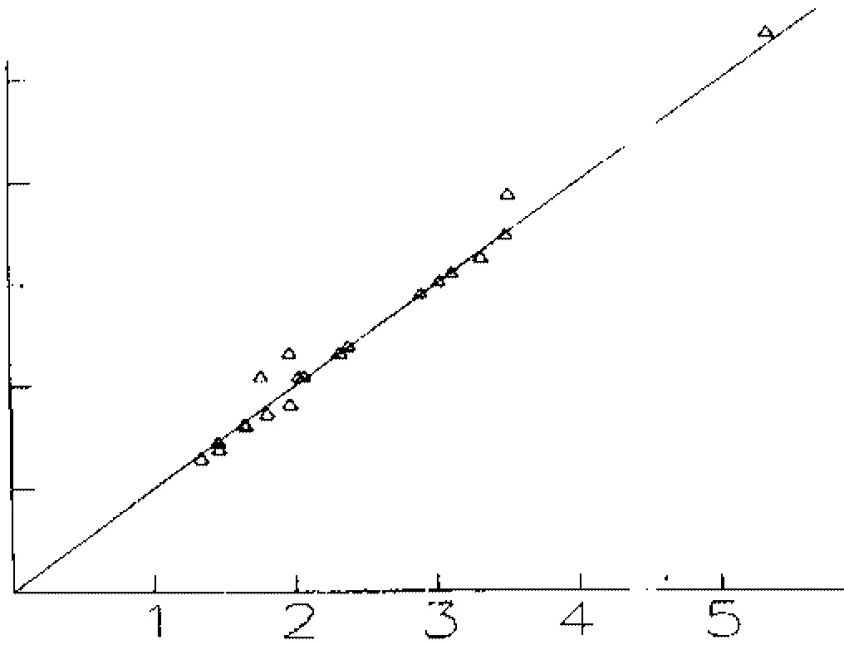
P. G., Taylor, J. B., Eds.; Pergamon: Oxford, 1990; Vol. 4, p 272-275.
11. Hichrom Ltd., Reading, U. K.: Hypersil cartridges, ref. H5SAS- 10C5.
12. Davies, C. W. Ion Association; Butterworths: London, 1962; p 41.
13. Clarke, F. H.; Cahoon, N. M. J. Pharm. Sci. 1987, 76, 611- 619.
14. Kortnum, G.; Vogel, W.; Andrussow, K. Dissociation Constants of Organic Acids in Aqueous Solution, Butterworths: London, 1961.
15. Serjeant, E. P.; Dempsey, B. Ionization Constants of Organic Acids in Aqueous Solution; Pergamon: Oxford, 1979.
/ / _.-f ,//
Figure 3-Correlation plots: log P (pH-metric) vs log P (lit) and log P (HPLC) vs log P (lit). The solid lines shown have a slope of one and a zero intercept.
agreement with the best available literature measurements of log P by the standard shake-flask method. This supports findings of previous potentiometric studies which examined fewer compo unds., 2 1,3 20 Since the pH-metric technique can be applied to structurally diverse compounds without bias, it is a generally useful technique, when considering ionizable drug substances.
References and Notes
...

